STH Live Project Test Cases
 | Project Name | CRC car rental management system
 | Team Name | IFB-299 Group 77 (Team-A) |  |  | 1st Tip: Ctrl + Scroll up to bigger the images if needed
 | Documented by | Keonwoo Lee |  |  | 2nd Tip: Biggering the images may ruin the word structures
 | Date of creation | 1/10/18 ~ 24/10/18
 | Date of review | 24-Oct-18
 | User stories involved | Story 15: Browser (Most Rented Cars), Story 25: History/Data Manage(Load new data) | Story 11: Advertisement, Story 17: Save for later
Test case ID | Test Objective | Precondition | Steps: | Test data | Expected result / Acceptance criteria | Post-condition | Test Status
CRC_TC_01 | Browse the most rented cars in charts so that the company staff can utilise the gathered information for better car recommendations to customers. | 1. A certain browser should be installed in the user's computer (e.g. Google Chrome) 2. All the essential resources are to be set up to run the project (e.g Python, Django scripts, MySQL and so on; the resources are available in the team's Github repository) | 1. Log in to the "Management System" menus with currently existing username and password | A valid URL http://127.0.0.1:8000/ | User should be directly navigated to the "Most rented cars" page with a pie/bar chart. The charts should involve following calculated information. 1. Different size of bars that represent the number of cars that have been ordered (Longer bars mean greater number of the orders, and vice versa) 2. Different size of sectors that represent the number of cars that have been ordered (Bigger sectors mean greater number of the orders, and vice versa) NOTE: It was orginially expected that this functionality would be available in the "Browser" menu | 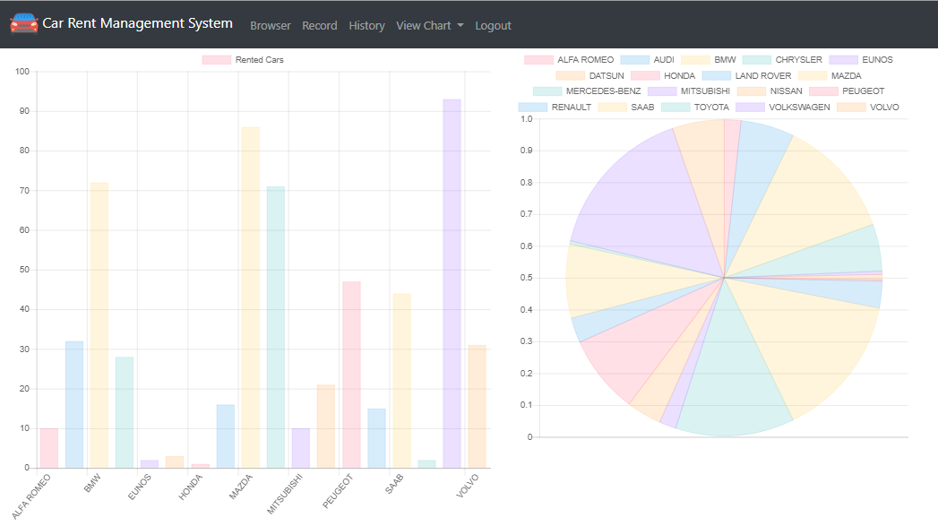 The user can view both the pie and bar chart representing the number of cars that have been ordered, and the charts successfully match with the information from the database | Passed
 |  |  | 2. Cliick on the "History" menu to navigate to the History page | A valid username/password
 |  |  | 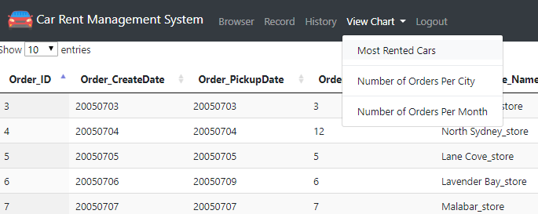 3. Click on the "View Chart" dropdown list and select the "Most rented cars" menu
CRC_TC_02 | Browse which city has the biggest number of rented cars so that the company staff can utilise the gathered information for better car recommendations to customers | 1. The web application is launched on a compatible browser 2. Sign up details are to be primitively ready | 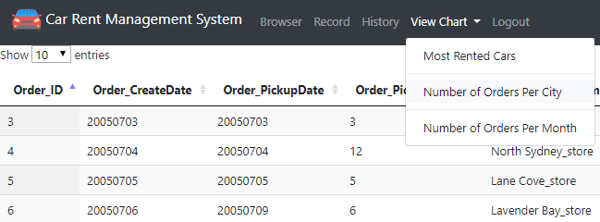 1. Log in to the "Management System" menus with currently existing username and password 2. Cliick on the "History" menu to navigate to the History page 3. Click on the "View Chart" dropdown list and select the "Number of Order Per City" menu | A valid Username: 123, Password : 123 | User should be directly navigated to the "Number of Order Per City" page with a pie/bar chart. The charts should involve following calculated information. 1. Different size of bars that represent different citties with their total order counts (Longer bars mean great number of the order counts, and vice versa) 2. Different size of sectors that represent different citties with their total order counts (Bigger sectors mean greater number of the order counts, and vice versa) NOTE: This functionality wasn't planned to be implemented in our project | 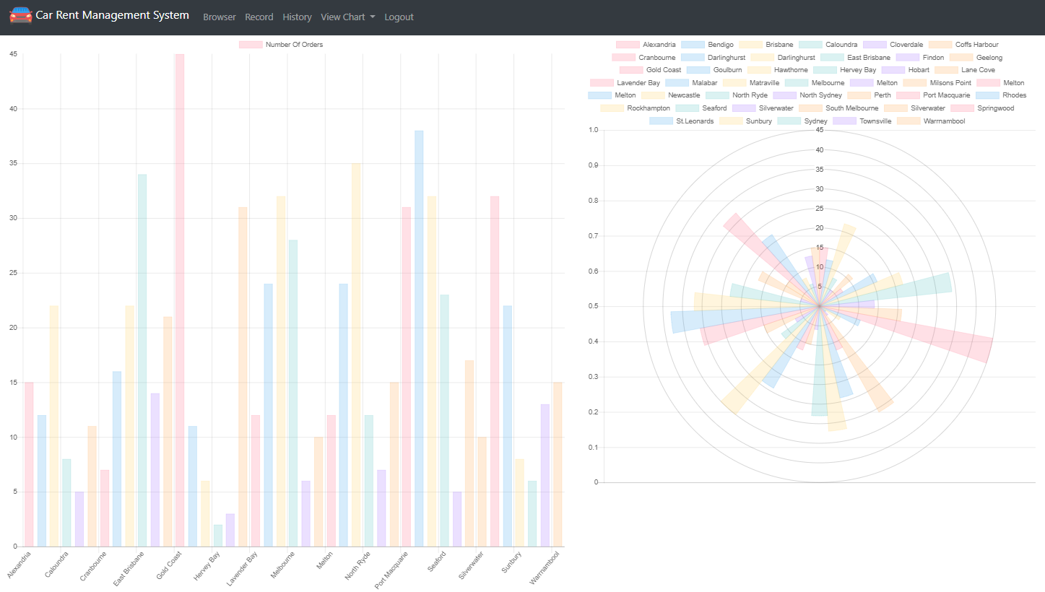 The user can view both the pie and bar chart representing the number of orders in each city, and the charts successfully match with the information from the database | Passed
CRC_TC_03 | Browse which month has the biggest number of rented cars so that the company staff can utilise the gathered information for better car recommendations to customers | 1. The web application is launched on a compatible browser 2. The user already owns an account | 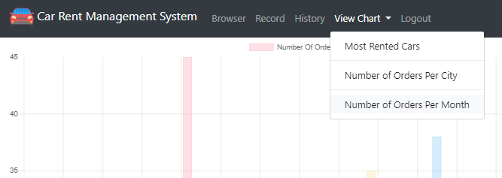 1. Log in to the "Management System" menus with currently existing username and password 2. Cliick on the "History" menu to navigate to the History page 3. Click on the "View Chart" dropdown list and select the "Number of Order Per Month" menu | A valid Username: 123, Password : 123 | User should be directly navigated to the "Number of Order Per Month" page with a pie/bar chart. The charts should involve following calculated information. 1. Different size of bars that represent different months with their total order counts (Longer bars mean great number of the order counts, and vice versa) 2. Different size of sectors that represent different months with their total order counts (Bigger sectors mean greater number of the order counts, and vice versa) Note: This functionality wasn't planned to be implemented in our project | 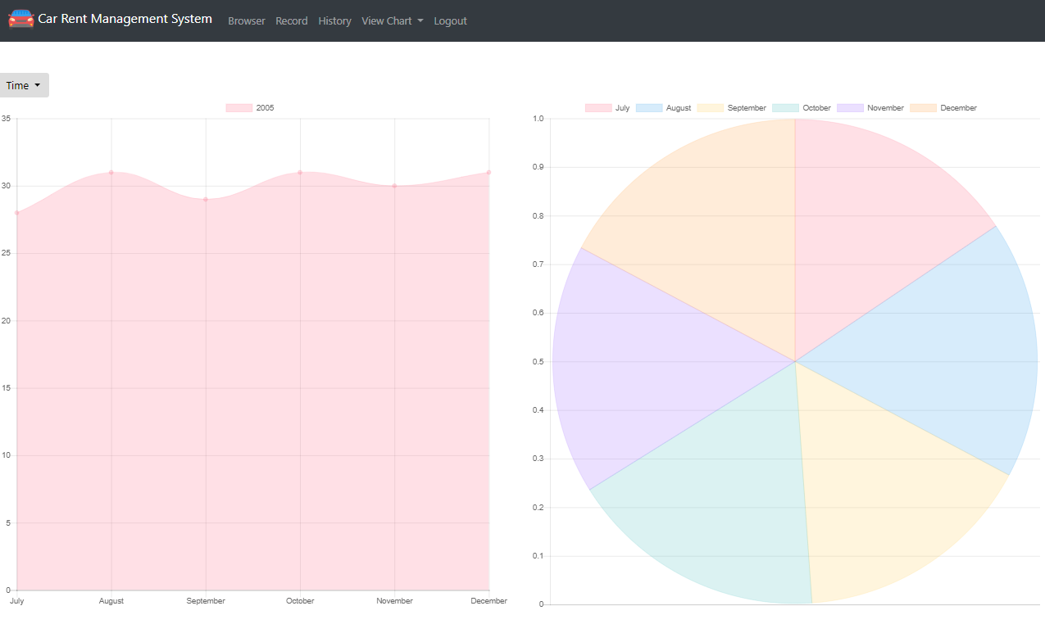 1. The user can view both the pie and bar chart representing the number of orders in each city, and the charts successfully match with the information from the database 2. The user can also select different years | Passed
CRC_TC_04 | Check if the system provides a function that loads new data from the local database so that the company staff can use it to efficiently maintain the central database for recording customer information | 1. The web application is launched on a compatible browser 2. The user already owns an account 3. New customer details or order details are ready to be loaded | 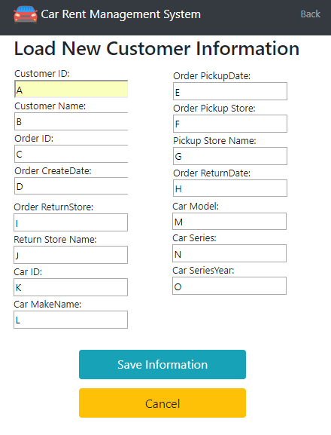 1. Log in to the "Management System" menus with currently existing username and password 2. Click on the "Record" menu to navigate to the Record page 3. Click on the "Load New" button to navigate to the "Load new data" page 4. Fill up the required fields 5. Click on the "Save information" button to save the new information 6. Check if the new information has been loaded and added to the table | A valid Username: 123, Password : 123 Customer ID: A Customer Name: B Order ID: C Order CreateDate: D Order PickupDate: E Order Pickup Store: F Pickup Store Name: G Order ReturnDate: H Order ReturnStore: I Return Store Name: J Car ID: K Car MakeName: L Car Model: M Car Series: N Car SeriesYear: O | 1. User should be directly navigated to the "Load new data" page with text fields to fill up and a button that is enabled to save the newly typed information 2. The new information filled up should be loaded and added to the table in the "Record" menu NOTE: This functionality was originally planned to be implemented in the "History" menu | 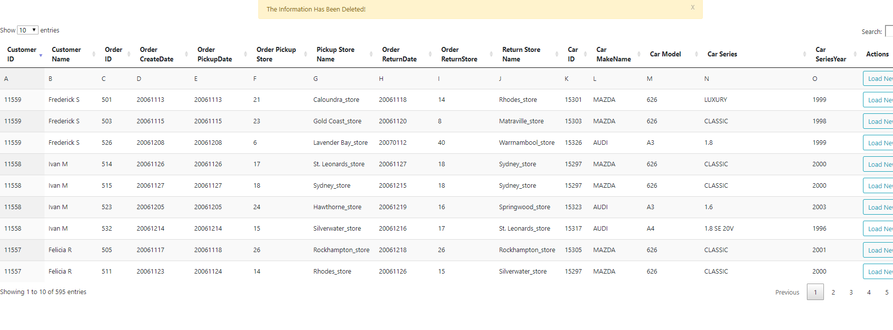 1.User can see the newly added information from the table in the "Record" menu 2. A message pops up to tell the user that the new information has been successfully added in to the table | Passed

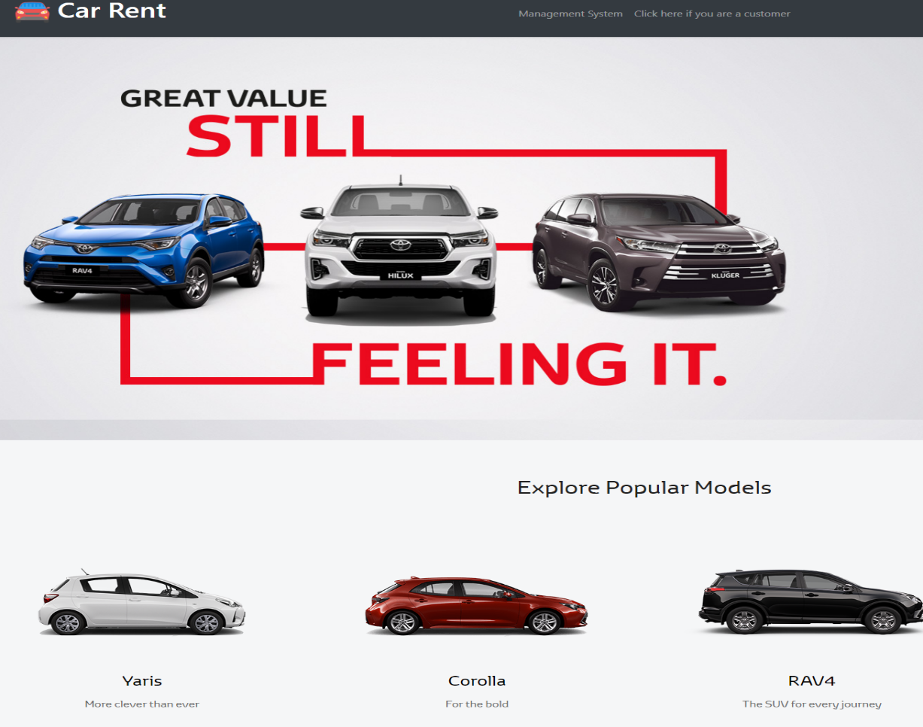
CRC_TC_05 | Check if the welcome page contains some advertisements with a list of rental cars that are currently on sale (on renting sale?), in order to attract customers even before they have actual access to the customer accessible page. | 1. The web application is ready to be launched on a compatible browser | Launch the web application | A valid URL http://127.0.0.1:8000/ | User should be directly navigated to the welcome page with some images of car advertisements displayed | The welcome page successfully displays some advertisements of rental cars | Passed

CRC_TC_06 | Check if the customer accessible page contains a “Contact us” that includes the company’s contact details, such as a Facebook page link, Twitter link, phone number and email address | The web application is launched on a compatible browser | 1. Launch the web application 2. Click on the "Click here if you are a customer" menu 3. Click on the hyperlinks (Facebook and Twitter) | A valid URL http://127.0.0.1:8000/ | 1. User should be directly navigated to the "Customer accessible page" and find the company's "Contact us" on the bottom of the page 2. Clicking on the hyperlinks will navigate the user to Facebook and Twitter respectively | 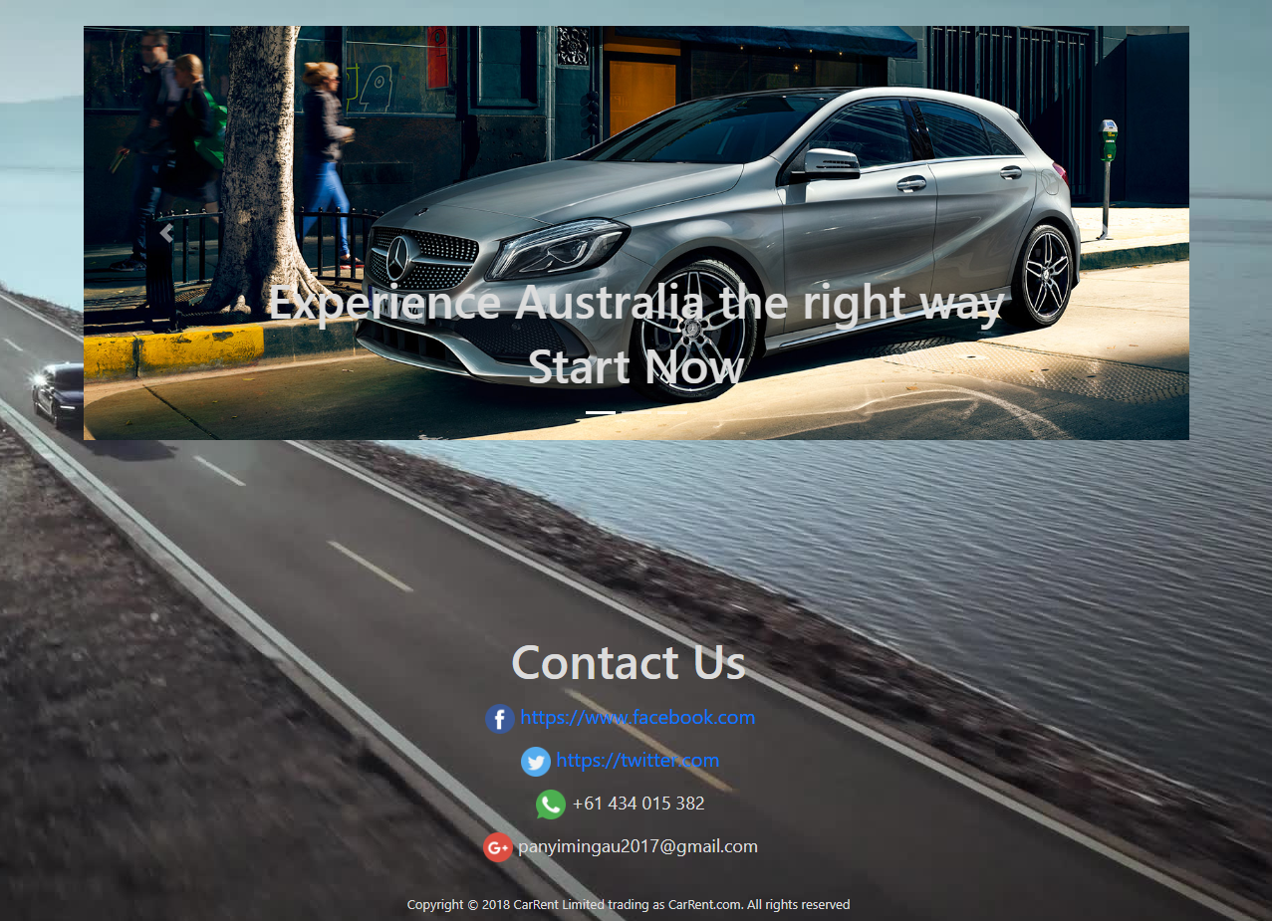 The user can view the company's "Contact us" that includes the company's phone number, email address, Facebook page and Twitter Note 1: The Facebook and Twitter's hyeperlinks are just www.facebook.com and https://Twitter.com Note 2: This functionality was aactually panned to be implemented in relase 2 | Passed

CRC_TC_07 | Send an email to the customer with the rental car description that the customer possibly likes to order later | The web application is launched on a compatible browser | 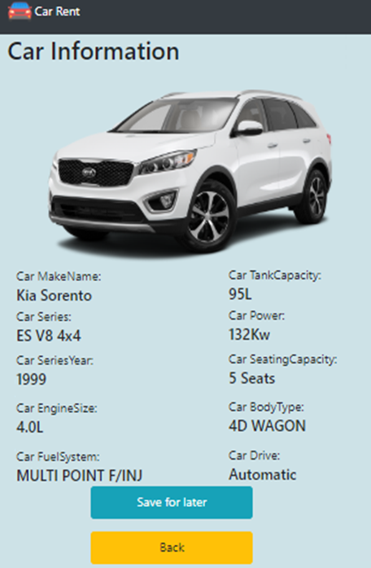 1. Launch the web application 2. Click on the "Click here if you are a customer" menu 3. Click on the "View cars" menu 4. Select any car from the list displayed 5. Click on the button "Save for later" | A valid company"s email address that is already logged into the Microsoft Email: rocky310@hotmail.com | When the button "Save for later" is enabled, user should be navigated to the Microsoft's email application | 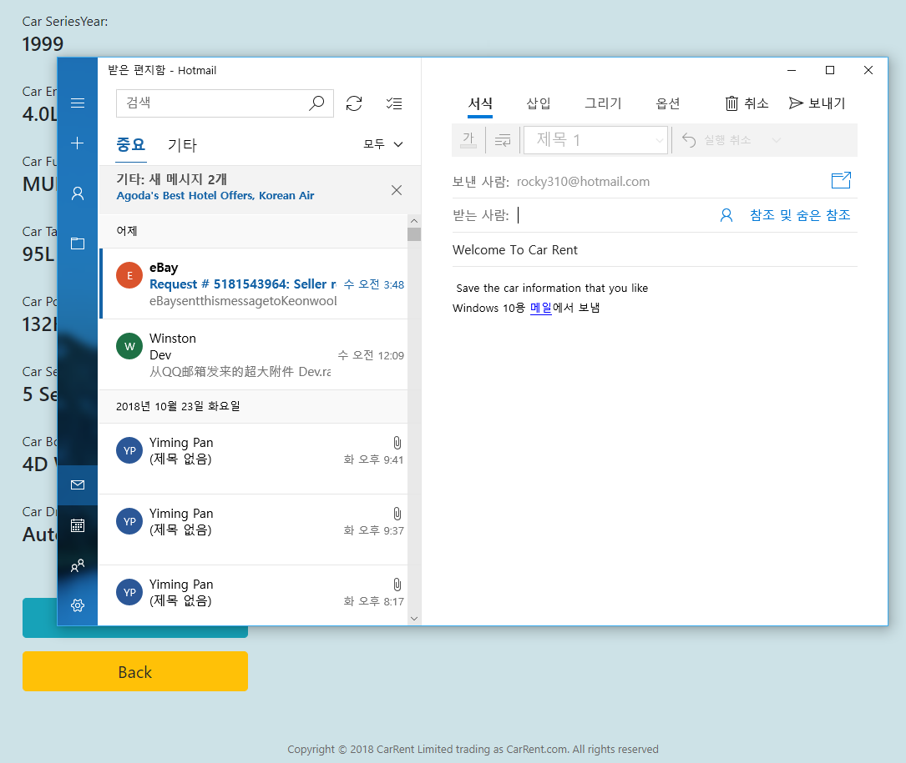 The Microsoft's email application is instantly loaded up and the user can write an email to him/herself using the company's email address (sent from) Note: The tester's Microsoft's email application's language is set in Korean | Passed

